approach to analysis
Time periods | Definition
Acclimation | First 5 minutes of record (from very beginning) -- throw away this data
Habituation | From t=5 minutes to ~15 minutes (first opening)
Baseline | Next ~30 minutes of record, prior to second opening
Ictal | Period from final lid closure (+1 second to avoid artifact) until video-identified seizure offset
Postictal | From seizure offset to "X" min (try x=10)
Recovery | From postictal to end of record

Pre-processing steps
Define time periods (see above)
High-pass filter to get rid of movement artifact (0.5 Hz)
Identify and exclude other artifacts ("X" SD above the mean; where X = 8?)
Sanity check whether the data are centered on y=0 position (should be centered such as area under the curve above & below are on average equal/opposite except in case of terminal apnea)
Identify inspiratory peaks (prominent downward peaks, not occuring within 6Hz of each other) -> define inspiratory periods (from zero-crossing to zero-crossing on either side of the inspiration) & expiratory periods (in between)
Proceed with analysis to quantify parameters below

category | parameter | definition | what to quantify
Timing | Breath | inspiration to inspiration we will in the future consider Ti > 40 ms, Te > 70 ms; slower than 6 Hz (otherwise "sniffing")
 | Ti (msec) | duration of time between two 0 crossings (before and after the down-curve); artifact if < 40 ms | mean for each time periods; value over time across the ictal (1 second bin) and the postictal time period (30 second bin)
 | Te (msec) | duration of time between two 0 crossings (before and after the up-curve); artifact if < 70 ms | mean for each time periods; value over time across the ictal (1 second bin) and the postictal time period (30 second bin)
 | Ttot (msec) | Ti + Te | for each time period, histogram of Ttot (one average plot per experimental group per time period)
 | Frequency - def 1 | breaths per minute (beware falsely low frequency due to excluding artifact) | mean across each time period; value over time across the ictal (1 second bin) and the postictal time period (30 second bin)
 | Frequency - def 2 (defer for now; will implement if we decide to label some deflections as "not breaths" later) | 1/Ttot (reciprocal of average Ttot within bin OR number of breaths within time that contains breaths) | mean across each time period; value over time across the ictal (1 second bin) and the postictal time period (30 second bin)

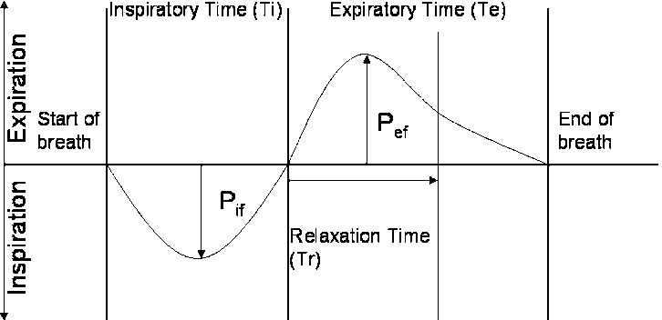
Pauses | Sigh | "X" SD above average PIF-to-PEF (from baseline for that individual mouse) - start with x=2 | # of sighs & pause duration after a sigh: mean across each time period
 | Apnea - def 1 | Ttot > 2 x median Ttot (from baseline for that individual mouse) AND Ttot > 400 ms | for each time period, average rate (per minute) and average length (ms) of all apneas
 | Post-sigh apnea | Apnea occuring within 8 seconds of a sigh | Defer for now
 | Spontaneous apnea | Apnea occuring > 8 seconds after a sigh | Defer for now

Irregularity (frequency) | IBI irregularity - def 1 | CoV of instantaneous breathing frequency or inter-breath interval | mean for each time periods; value over time across the ictal (1 second bin) and the postictal time period (30 second bin)
 | IBI irregularity - def 2 | abs | ((Ti+Te) breath n - (Ti+Te) breath n+1) / (Ti+Te) breath n+1) | | mean for each time periods; value over time across the ictal (1 second bin) and the postictal time period (30 second bin)

Amplitudes | Peak inspiration (PIF) (mL/s) - only for 0-crossing breaths | y-axis value for negative component | mean for each time periods; value over time across the ictal (1 second bin) and the postictal time period (30 second bin)
 | Peak expiration (PEF) (mL/s) - only for 0-crossing breaths | y-axis value for positive component | mean for each time periods; value over time across the ictal (1 second bin) and the postictal time period (30 second bin)
 | Peak inspiration (PIF) (mL/s) - for all breaths, implementing rolling baseline correction | y-axis value for negative component | mean for each time periods; value over time across the ictal (1 second bin) and the postictal time period (30 second bin)
 | Peak expiration (PEF) (mL/s) - for all breaths, implementing rolling baseline correction | y-axis value for positive component | mean for each time periods; value over time across the ictal (1 second bin) and the postictal time period (30 second bin)
 | Peak inspiration (PIF) + Peak expiration (PEF) (mL/s) | peak to trough | mean for each time periods; value over time across the ictal (1 second bin) and the postictal time period (30 second bin)
 | Tidal volume (TV) (mL) | Area under the curve for the inspiratory period | mean for each time periods; value over time across the ictal (1 second bin) and the postictal time period (30 second bin)

Irregularity (amplitude) | PIF-to-PEF irregularity | CoV of PIF-to-PEF amplitude | mean for each time periods; value over time across the ictal (1 second bin) and the postictal time period (30 second bin)

apnea spreadsheet
output spreadsheet with a list of every detected apnea. columns:
1) file_basename
2) period
3) apnea start time (relative to most recent lid closure)
4) apnea start time (relative to start of that period)
5) apnea duration

